1. Title Page
[Instacart Grocery Basket Analysis]

Project Name: Instacart Grocery Basket Analysis
Date: 15/09/2023
Analyst Name: Carlos N Khalili Boukai

Contents:
Population Flow
Consistency checks
Wrangling steps
Column derivations
Visualizations
Recommendations

Data Citation:
“The Instacart Online Grocery Shopping Dataset 2017”, Accessed from www.instacart.com/datasets/grocery-shopping-2017 via Kaggle on <15/09/2023>.

Note: Instacart is a real company that’s made their data available online. However, the contents of this project brief have been fabricated for the purpose of this Achievement.

Original data sets (csv format)
Customers' data
Departments' data
Products' data
Orders data
Orders products prior data

2. Population Flow
Title page

Population flow

Exclusion flag
Condition: max_order <
Obervations to be removed:
Final total count of order_products_all:

Orders_products_combined
Orders_products_merged
Orders_products_all

Total: 32434489 rows
13 columns
Total: 32435070 rows
18 columns
Total: 32435059 rows
28 columns

1.) The grey boxes in the first row of the population flow represent the original data sets as they were when you downloaded them. In the Total fields you need to add the count of the rows when you imported the data set into Jupyter.
2.) The second row of boxes (coloured) represents the data sets after you manipulated them, e.g., removed missing values and duplicates. In the Total fields you need to add the count of the rows after conducting these operations. This offers a visual oveview of how the data flows throughout the data consistency checks.
3.) The third row, where also the arrows are coloured, represents the merges you performed between the datasets. In the Total fields you need to add the count of the rows in the merged datasets, so that you end up with the final dataset (in the red box). Keep in mind the final dataset should be without exclusions (based on the exclusion flag).

3. Consistency checks
 |  |  |  |  |  | Title page
Consistency checks

Dataset | Missing values | Colunm name | Missing values treatment | Column/Row | Duplicates
orders | 206209 values | days_since_prior_orders | Used imputation with the mean value to fill in the missing values. It is 0.06% of the data, so I considered the best solution | Rows | no duplicates
products | 16 missing values | product_name | missing values removed | Rows | n/a
products | n/a | product_id | n/a | Rows | 5 duplicates removed
orders_products_merged | 11 missing values | product name, department id, aisle id, prices and price range loc | left as it is | Rows | no duplicates
customers | 11259 missing values | first_name | removed. The whole column had PII data which was not necessary to the analysis | Column | no duplicates
Final data set | 11 missing values (loyalty flag) | loyalty_flag | left as it is | Rows | no duplicates
Final data set | 30200 values | product name, department id, aisle id, prices and price range loc | since product name is also missing, there can be no imputation for this value and it explains why other values are missing. In a normal situation, I would go back to the client and request a clarification. However, it represents less than 0.09% of the data and statistically will not have an effect on it. Since the only options available are removing those rows or leaving as it is, I decided to leave them as it is. | Rows | no duplicates

4. Wrangling steps
 |  |  |  |  |  | Title page
Wrangling steps

Columns name | Columns dropped | Column renamed | Columns' type changed | Comment/Reason
Eval_set | dropped |  |  | Has only 'prior' for all rows. Unnecessary for analysis.
order day of the week |  | renamed |  | Previously order_dow (for clarity of reading during analysis)
Order id | dropped |  | Changed from int to str | Avoid confusion during analysis
User id | dropped |  | Changed from int to str | Avoid confusion during analysis
Unnamed column (x2) | dropped |  |  | Created by Python by default (index)
_merge | dropped |  |  | Unnecessary after confirmation of successful merge
Surname |  | renamed |  | Previously surnam. | Typo error
Dependants |  | renamed |  | Previously N_dependants | For uniformity
State |  | renamed |  | Previously STATE | For uniformity
First_name |  | renamed |  | Previously First Name | For uniformity
gender |  | renamed |  | Previously Gender | For uniformity
Civil_status |  | renamed |  | Previously fam_status | Easier to identify
age |  | renamed |  | Previously Age | For uniformity
Date_joined | dropped |  |  | Not necessary for analysis
First_name | dropped |  |  | PII security issues | Also had missing values
Last name | dropped |  |  | PII security issues

5. Column derivations
 |  |  |  |  |  | Title page

Column derivations and aggregations

In this tab you should add tables below that the frequences of flags/label variables that you produced after deriving them. NB: don't do this for continuous variables, only for flags.
Dataset | New column | Column/s it was derived from | Conditions | Function
Orders_products_merged'pkl | price_label | prices | Low range ( ‘prices’ <= 5) Mid range (‘prices’ >5 & <=15) High Range (‘prices’ > 15) Else: not enough data | Defined condition used
Orders_products_merged'pkl | price_range_loc | prices | Low range product( ‘prices’ <= 5) Mid range product (‘prices’ >5 & <=15) High Range product (‘prices’ > 15) | Loc function
Orders_products_merged'pkl | busiest day | orders_day_of_the_week | Busiest days = 0 or 1 Slowest days = 3 or 4 Regularly busy = else | Comand loop | max_order column derived from user_id + order_number. Not added due to this condition
Orders_products_merged'pkl | busiest hours | order_hour_of_day | Most orders ==10,11,14,15,13,12,16,9,17 Fewest orders = 23,6,0,1,5,2,4,3 Average orders = else | Comand loop | avg_prices column derived from user_id + prices. Not added due to this condition
orders_products_variablesfixed.pkl | loyalty_flag | max_order | Criteria is max (sum) orders: Loyal customers = > 40 Regular customers = >= 10 & <= 40 New customers = < 10 | Loc function | median_prior_order column derived from user_id + datys_since_prior_order Not added due to this condition
orders_products_variablesfixed.pkl | spending_flag | avg_prices | High spenders = => 10 Low Spenmders = <10 | Loc function
orders_products_variablesfixed.pkl | frequency_flag | median_prior_order | Frequent customer = < 10 Regular customer = => 10 & <= 20 Non-frequent customer = > 20 | Loc function
order_products_customers | region | state | Northeast =['Maine', 'New Hampshire', 'Vermont', 'Massachusetts', 'Rhode Island', 'Connecticut', 'New York', 'Pennsylvania', 'New Jersey'] Midwest = ['Wisconsin', 'Michigan','Illinois', 'Indiana', 'Ohio', 'North Dakota', 'South Dakota', 'Nebraska', 'Kansas', 'Minnesota', 'Iowa', 'Missouri'] South = ['Delaware', 'Maryland', 'District of Columbia', 'Virginia', 'West Virginia', 'North Carolina', 'South Carolina', 'Georgia', 'Florida', 'Kentucky', 'Tennessee', 'Mississippi', 'Alabama', 'Oklahoma', 'Texas', 'Arkansas', 'Louisiana'] West = ['Idaho', 'Montana', 'Wyoming', 'Nevada', 'Utah', 'Colorado', 'Arizona', 'New Mexico', 'Alaska', 'Washington', 'Oregon', 'California', 'Hawaii'] | Loc function
order_products_customers_updated | exclusion_flag | max_order | Normal customer = > 4 Low activity customer = <= 4 | Loc function
subfinal (subset last complete dataset) | age_group | age | Young customer = < 40 Mid aged customer = => 40 & < 60 Older customer = >= 60 | Loc function
subfinal (subset last complete dataset) | dependants_category | dependants | No dependants = 0 Have dependants = >0 | Loc function
subfinal (subset last complete dataset) | income_group | income | Low income customer = < 50000 Mid income customer = => 50000 & < 100000 High income customer = => 100000 | Loc function
subfinal (subset last complete dataset) | family_situation | dependants_category + civil_status | Older parent = (civil status = married) & (dependants = have dependants) & (age = older customer) Younger parent = (civil status = married) & (dependants = have dependants) & (age = younger customer) Single Man = (civil status = != (not) married) & (dependants = no dependants) & (gender = male) Single Woman = (civil status = != (not) married) & (dependants = no dependants) & (gender = female) Single parent = (civil status = != (not) married) & (dependants = have dependants) | Loc function
subfinal (subset last complete dataset) | income_situation | civil_status +dependants_category + age | Higher income older parent (civil status = married) & (dependants = have dependants) & (age = older customer) & (income group = High income customer) Mid income younger parent = (civil status = married) & (dependants = have dependants) & (age = younger customer) & (income group = Mid income customer) Mid income older parent (civil status = married) & (dependants = have dependants) & (age = older customer) & (income group = Mid income customer) Higher income single Man = (civil status = != (not) married) & (dependants = no dependants) & (gender = male) & (income group = High income customer) Higher income single woman = (civil status = != (not) married) & (dependants = no dependants) & (gender = female) & (income group = High income customer) Mid income single woman = (civil status = != (not) married) & (dependants = no dependants) & (gender = female) & (income group = Mid income customer) Mid income single Man = (civil status = != (not) married) & (dependants = no dependants) & (gender = male) & (income group = Mid income customer) Low income older parent (civil status = married) & (dependants = have dependants) & (age = older customer) & (income group = Low income customer) Mid income single parent = (civil status = != (not) married) & (dependants = have dependants) & (income group = Mid income customer) Low income younger parent = (civil status = married) & (dependants = have dependants) & (age = younger customer) & (income group = Low income customer) Low income single Man = (civil status = != (not) married) & (dependants = no dependants) & (gender = male) & (income group = Low income customer) Low income single woman = (civil status = != (not) married) & (dependants = no dependants) & (gender = female) & (income group = Low income customer) Low income single parent = (civil status = != (not) married) & (dependants = have dependants) & (income group = Low inco | Loc function
subfinal (subset last complete dataset) | busiest_period_week | orders_day_of_the_week | Weekend day = 0 & 1 Week day = else | Comand loop
subfinal (subset last complete dataset) | busiest_period_day | order_hour_of_day | Afternoon hours = >= 13 & <= 18 Morning hours = >= 7 & <= 12 Evening hours = >= 19 & <= 23 Unsociable hours = >= 0 & <= 6 | Loc function

6. Visualizations
 |  |  |  |  |  |  |  |  |  |  |  | Title page

Visualisations

In this tab you should include all the visualtions from Exercises 4.9 and 4.10, alongside the questions from the project brief that they answer. Include any commentary on the relationship between different variables.

The sales team needs to know what the busiest days of the week and hours of the
day are (i.e., the days and times with the most orders) in order to schedule ads at
times when there are fewer orders.

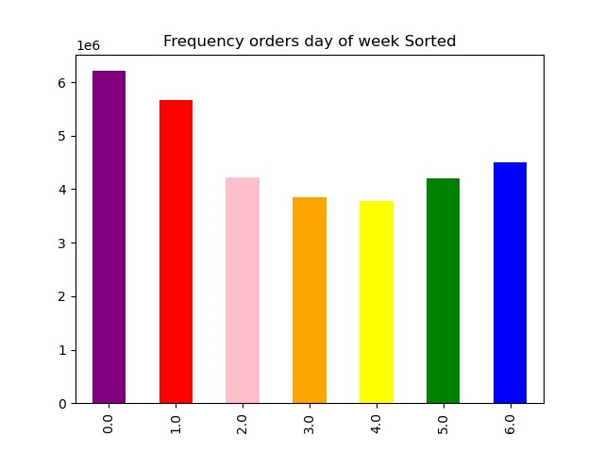
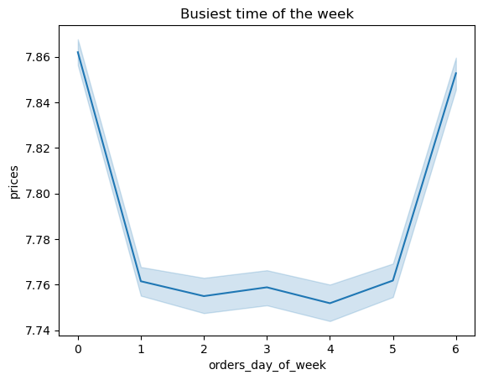
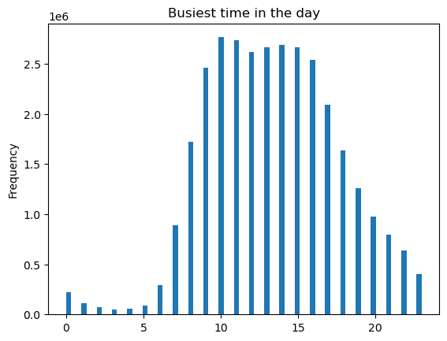
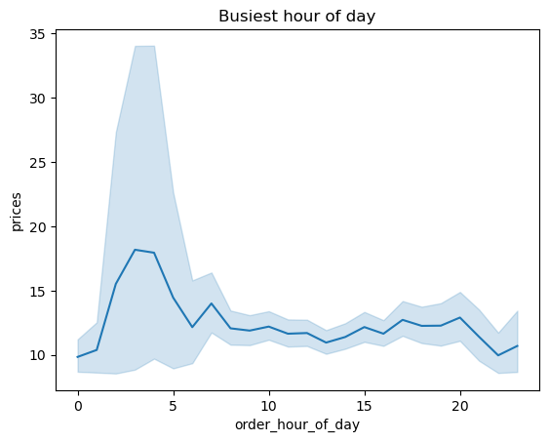

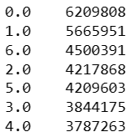
 |  |  | 00- Saturday |  | Week day 5898222 |  |  |  |  |  |  |  |  |  |  |  | The busiest hours for the day are between 9:00am and 5:00pm |  |  |  | Prices seem to go up during the least busy hours of the night, when there are less people shopping at that time.
 |  |  | 01-Sunday |  | Weekend day 3399046 |  |  |  |  |  |  |  |  |  |  |  |  |  |  |  | The error lines seem to confirm this: there are less shopping so the room for error is bigger.
 |  |  | 02-Monday |  |  |  |  |  |  |  |  |  |  |  |  |  |  |  |  |  | The spike during non sociable hours is likely to be from single men and women,
 |  |  | 03- Tuesday |  | Busiest days are Satturday and |  |  | Prices paid for products also go up during weekends, and stay lower (but stable) |  |  |  |  |  |  |  |  |  |  |  |  | which are not bound by normal family 'time constraints'.
 |  |  | 04- Wednesday |  | Sunday with over 36% of orders |  |  | throughout the week.
 |  |  | 05- Thursday
 |  |  | 06- Friday |  | Weakest days Tuesdays and Wednesdays

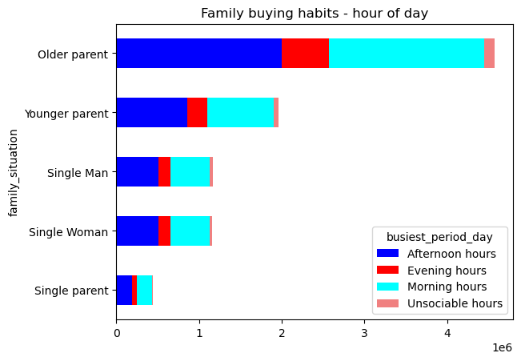
They also want to know whether there are particular times of the day when people
spend the most money, as this might inform the type of products they advertise at
these times.
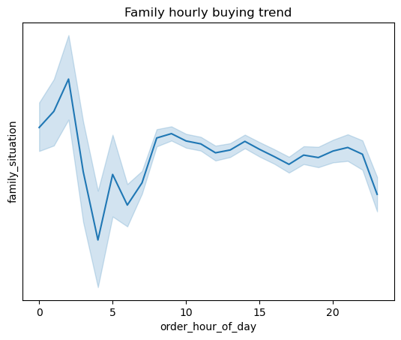

 |  |  |  |  |  |  |  |  |  |  |  |  |  |  |  |  | The data confirms that most orders happen during sociable working hours, across all groups.

 | The graphic shows that most orders happen during sociable working hours betwwen 9:30am to 8:30 pm, with the busiest times between 9:30am to 5:00pm.
 | The spike - in both orders and price - during unsociable hours can be explained by single adult customers which are not 'tied' by normal family activity hours

Instacart has a lot of products with different price tags. Marketing and sales want to
use simpler price range groupings to help direct their efforts.

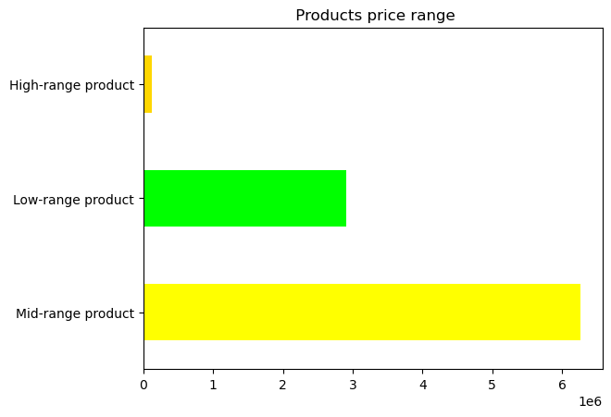
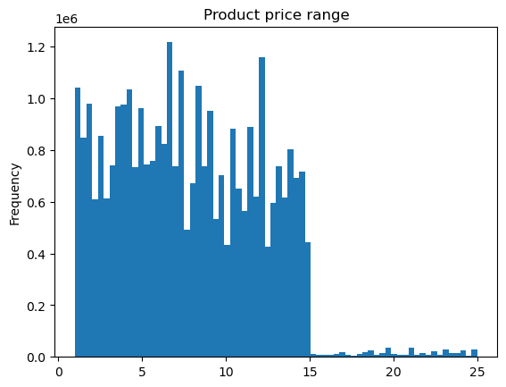
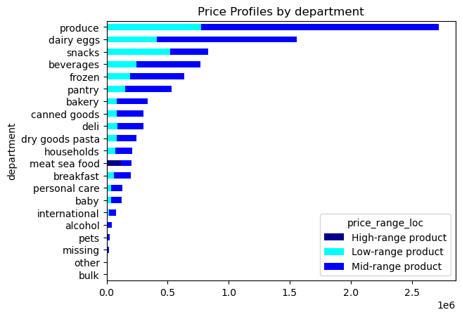

 |  |  |  |  |  |  |  |  |  |  |  |  |  |  |  |  |  | It is interesting to note that while in most categories the majority of orders
 |  | Range of products |  |  |  |  |  |  |  |  |  |  |  |  |  |  |  | consist of mid-range products, in the snacks category the opposite occurs.
 |  | Mid-range product | 6267968 | 67% |  | More than 67% of all products fall into the mid range category, with 31% being considered low-range. |  |  |  |  |  |  |  |  |  |  |  | Customers buy more of the cheaper options, and only around 30% of the mid-range
 |  | Low-range product | 2901064 | 31% |  | Only 1% of all products are considered 'expensive' or high range. This is also consistent with the histogram |  |  |  |  |  |  |  |  |  |  |  | ones.
 |  | High-range product | 128236 | 1% |  | of prices from products. |  |  |  |  |  |  |  |  |  |  |  | All the high-range orders are within the meat/seafood section.
 |  |  | 9297268 |  |  |  |  |  |  |  |  |  |  |  |  |  |  | Around 58% of orders are from high-range products in this category.

Are there certain types of products that are more popular than others? The marketing
and sales teams want to know which departments have the highest frequency of
product orders.
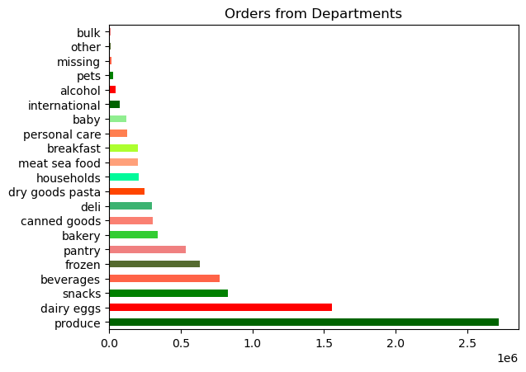

 |  |  |  |  |  |  |  |  |  |  | produce |  | 2720563 | 29.3% | 70.1%
 |  |  |  |  |  |  |  |  |  |  | dairy eggs |  | 1555122 | 16.7%
 |  |  |  |  |  |  |  |  |  |  | snacks |  | 829580 | 8.9%
 |  |  |  |  |  |  |  |  |  |  | beverages |  | 771013 | 8.3%
 |  |  |  |  |  |  |  |  |  |  | frozen |  | 635192 | 6.8%
 |  |  |  |  |  |  |  |  |  |  | pantry |  | 535003 | 5.8%
 |  |  |  |  |  |  |  |  |  |  | bakery |  | 337418 | 3.6%
 |  |  |  |  |  |  |  |  |  |  | canned goods |  | 304040 | 3.3%
 |  |  |  |  |  |  |  |  |  |  | deli |  | 300665 | 3.2%
 |  |  |  |  |  |  |  |  |  |  | dry goods pasta |  | 246565 | 2.7%
 |  |  |  |  |  |  |  |  |  |  | households |  | 210214 | 2.3%
 |  |  |  |  |  |  |  |  |  |  | meat sea food |  | 202607 | 2.2%
 |  |  |  |  |  |  |  |  |  |  | breakfast |  | 201349 | 2.2%
 |  |  |  |  |  |  |  |  |  |  | personal care |  | 128036 | 1.4%
 |  |  |  |  |  |  |  |  |  |  | baby |  | 123014 | 1.3%
 |  |  |  |  |  |  |  |  |  |  | international |  | 77067 | 0.8% | 1.8%
 |  |  |  |  |  |  |  |  |  |  | alcohol |  | 43443 | 0.5%
 |  |  |  |  |  |  |  |  |  |  | pets |  | 27835 | 0.3%
 |  |  |  |  |  |  |  |  |  |  | missing |  | 19562 | 0.2%
 |  |  |  |  |  |  |  |  |  |  | other |  | 10317 | 0.1%
 |  |  |  |  |  |  |  |  |  |  | bulk |  | 10077 | 0.1%

 |  | The departments 'produce', dairy & eggs', 'snacks', 'beverages', and 'frozen' account for 70% of all Instacarts's
 |  | orders. The departments 'international, 'alcohol', 'pets', 'other' and 'bulk' account for less than 2% of all orders.

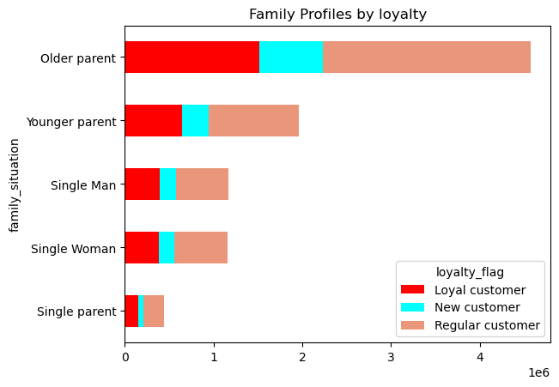
 | What’s the distribution among users in regards to their brand loyalty (i.e., how
 | often do they return to Instacart)?

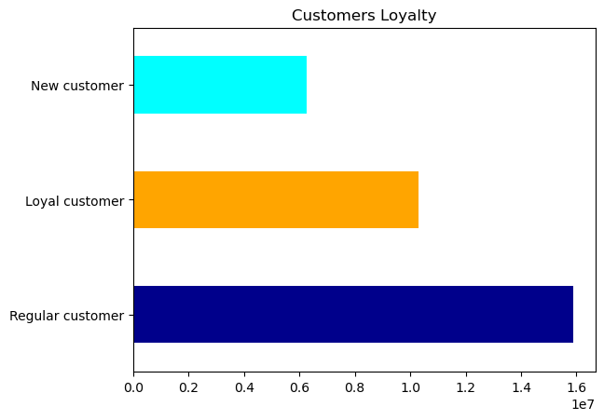

 |  |  |  |  |  |  |  |  | Regular customer |  | 51% | 4767895
 |  |  |  |  |  |  |  |  | Loyal customer |  | 33% | 3086586
 |  |  |  |  |  |  |  |  | New customer |  | 16% | 1442787
 |  |  |  |  |  |  |  |  |  |  |  | 9297268

 |  |  |  |  |  |  |  |  | Over 50% of instacart's customers are regular customers, which means their order frequency is
 |  |  |  |  |  |  |  |  | every 10 to 20 days. On the other hand, loyal customers account for 33% of all customers, and their order
 |  |  |  |  |  |  |  |  | frequency is 10 days or less from the previous order.
 |  |  |  |  |  |  |  |  | The graphic on the right seems to confirm that profile groups follow this trend: the 'regular' colour occupies
 |  |  |  |  |  |  |  |  | half of the bar, followed by the 'loyal' colour (two thirds of the bar), with the rest of the bar for new customers.

○ Are there differences in ordering habits based on a customer’s loyalty status?

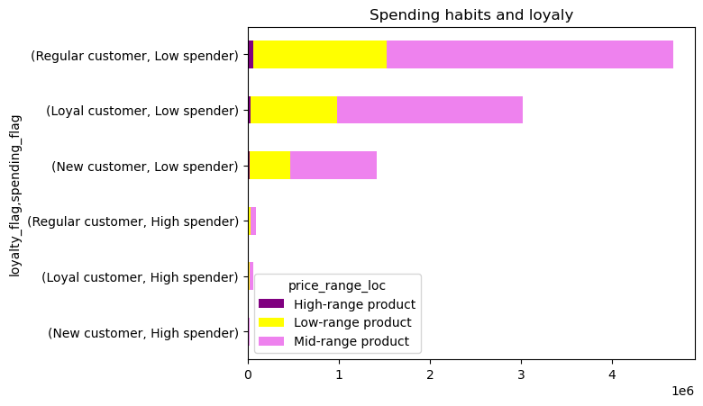

 |  |  |  |  |  |  |  |  |  | High spenders |  | 181335 | 2%
 |  |  |  |  |  |  |  |  |  | Low spenders |  | 9115933 | 98%
 |  |  |  |  |  |  |  |  |  |  |  | 9297268

 |  |  |  |  |  |  |  |  |  | Regular customer |  | 51% | 4767895
 |  |  |  |  |  |  |  |  |  | Loyal customer |  | 33% | 3086586
 |  |  |  |  |  |  |  |  |  | New customer |  | 16% | 1442787
 |  |  |  |  |  |  |  |  |  |  |  |  | 9297268

 |  |  |  |  |  |  |  |  |  | The data indicates that 98% of all customers are low spenders.
 |  |  |  |  |  |  |  |  |  | However, over 67% of all orders are from mid range products,
 |  |  |  |  |  |  |  |  |  | and 31% from low range products. These habits appear to be
 |  |  |  |  |  |  |  |  |  | consistent throughout all groups/profiles.

 | ○ Are there differences in ordering habits based on a customer’s region?

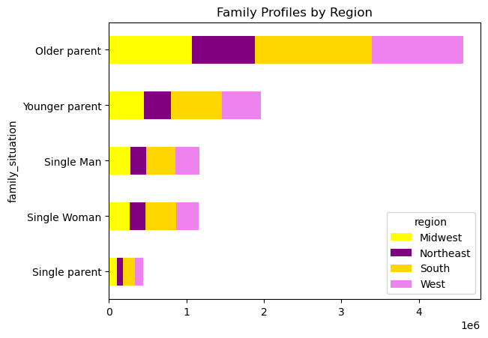
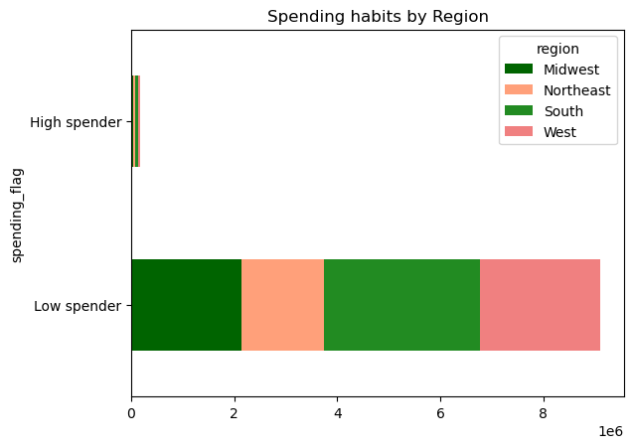
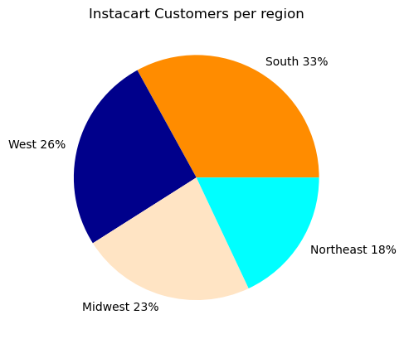
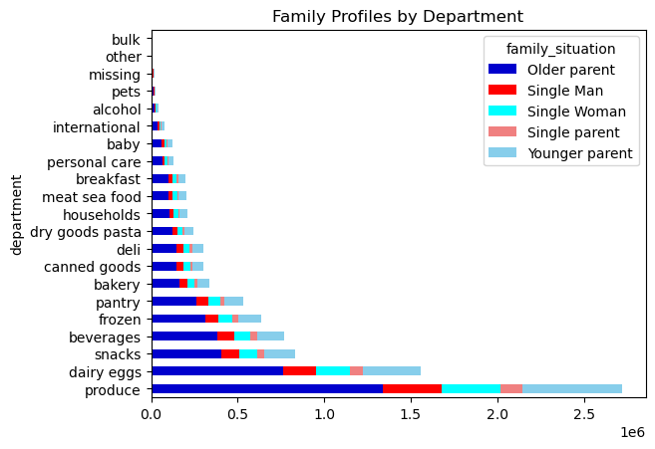
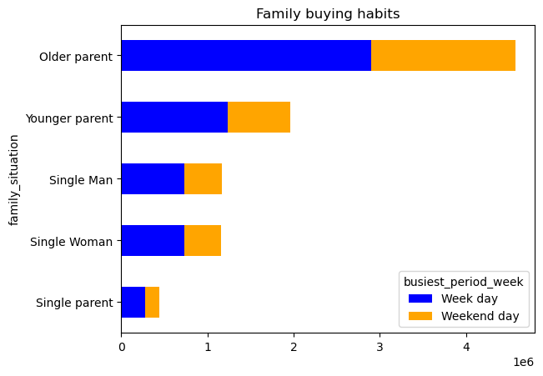

 |  | Accross all regions, the proportion of Higher income customers is around 46%. The Mid earners group comprises 43% of customers, and low earners are at 11%.
 |  | It seems that Instacart could expect all regions to behave in a similar way, with the difference in revenue depending mainly on the size of the population. |  |  |  |  |  |  |  |  |  |  |  |  |  |  |  |  |  | In one hand, previous data has shown us that the busiest days of the week are saturday and sunday,
 |  |  |  |  |  |  |  |  |  |  |  |  |  |  |  |  |  |  |  | but the current graphic and data shows that around 65% of the shopping takes place during the week. However, this is not contradictory: considering that
 |  | Older parents seem to buy more than othen categories. This seems logical not only because they are the larger population, but probably because they may have more dependants. The second category would be Younger parents. |  |  |  |  |  |  |  |  |  |  |  |  |  |  |  |  |  | weekend is only 2 days (as compared to 5 week days). An average of 12.5% of the shopping
 |  | Single men and women appear to have similar buying habits. What is surprising is that single parents appear to buy less than single adults, which is worth investigating. |  |  |  |  |  |  |  |  |  |  |  |  |  |  |  |  |  | happens during each of the weekdays, as opposed to 18.2% during each of the weekend days.

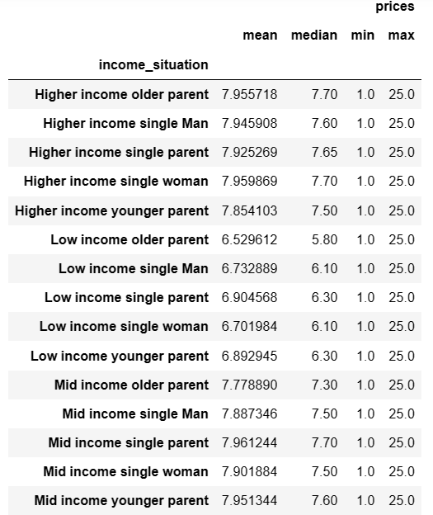
 | Is there a connection between age and family status in terms of ordering |  |  |  |  |  | What different classifications does the demographic information suggest? |  |  |  |  |  |  |  |  | What differences can you find in ordering habits of different customer
 | habits? |  |  |  |  |  | Age? Income? Certain types of goods? Family status? |  |  |  |  |  |  |  |  | profiles? Consider the price of orders, the frequency of orders, the products
 |  |  |  |  |  |  |  |  |  |  |  |  |  |  |  | customers are ordering, and anything else you can think of.
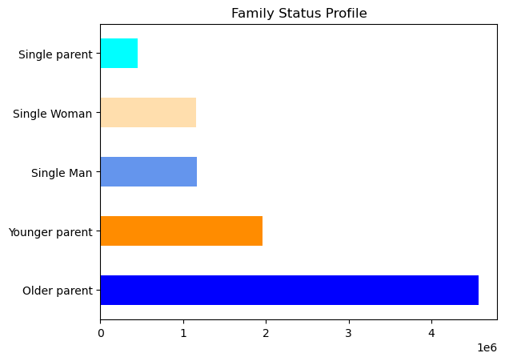
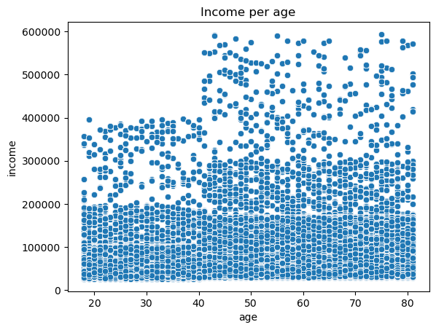
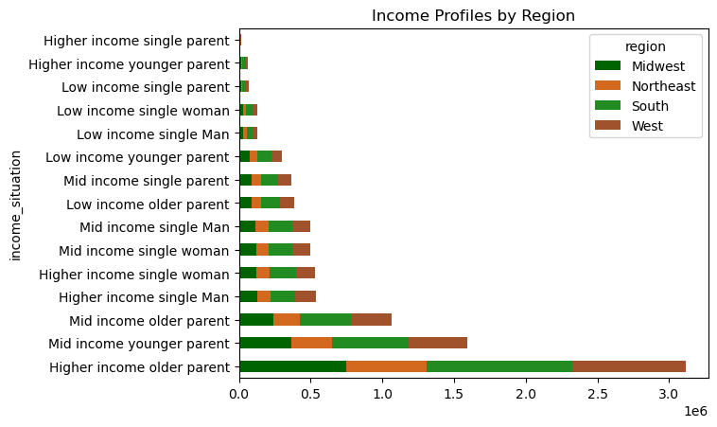
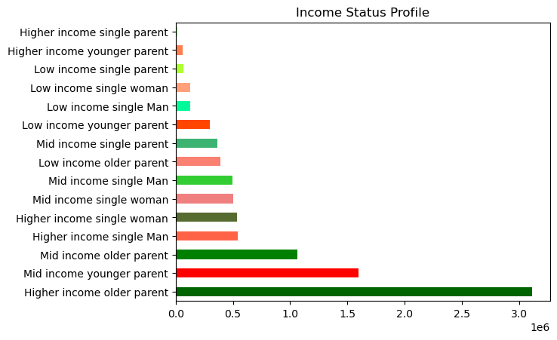

 |  |  |  |  |  | The ‘Older parents’ group (High at 33.5% and Mid at 11.5%, total of 45% of all customers) are the most valuable clients,
 |  |  |  |  |  | due to their financial resources. They are followed by ‘Mid earners youner parents’ at 17.2%, and then by |  |  |  |  |  |  |  |  |  |  |  | While the scatterplot shows that most people of all ages are situated below the 200000 mark for income, |  |  |  | In the first comparison (family profile) both mean and median are similar throoghout all groups. However, when profiling clients through income,
 |  |  |  |  |  | single adults (both men and women, each at around 11.1% between high and mid earners, or 22.2% in total). |  |  |  |  |  |  |  |  |  |  |  | it also shows that from the age of 40 there is a very significant part of the customers t |  |  |  | it becomes clear that both mean and median go up the higher that class' income is, which means that on average they are expected
 |  |  |  |  |  | These three groups alone comprise 84.4% of Instacart customers. |  |  |  |  |  |  |  |  |  |  |  | hat earn up to 300000 (which is 50% more income). Also, it is from the age of 40 that one |  |  |  | (and actually do) spend more money than lower income classes.
 |  |  |  |  |  |  |  |  |  |  |  |  |  |  |  |  |  | can see that there are customers that earn up to 600000 (almost 200% more). Below 40,
 |  |  |  |  |  |  |  |  |  |  |  |  |  |  |  |  |  | there are no entries after the mark of 400000. Clearly, it seems that - potentially, at least
 |  |  |  |  |  |  |  |  |  |  |  |  |  |  |  |  |  | at least - that income may increase with age. It would be logical since,
 |  |  |  |  |  |  |  |  |  |  |  |  |  |  |  |  |  | individuals over 40 should be more established both financially and with families.

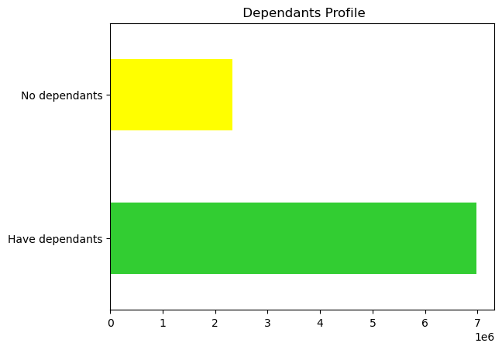
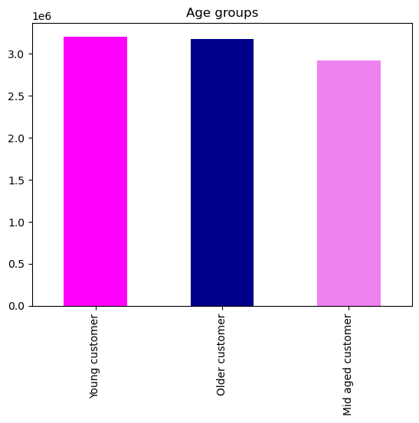
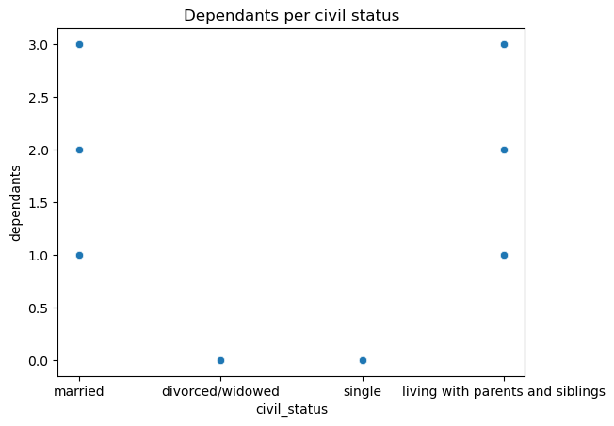

 |  |  |  |  |  |  |  |  |  |  |  |  |  | From an age perspective, the Instacart customers' population is equally
 |  |  |  |  |  |  |  |  |  |  |  |  |  | divided between Older and Younger customers, with a slight decrease
 |  |  |  |  |  |  |  |  |  |  |  |  |  | in Mid age customers. This particular graphic does not help the analysis,
 |  |  |  |  |  |  |  |  |  |  |  |  |  | since many of these individuals could have dependants, and be married
 |  |  |  |  |  |  |  |  |  |  |  |  |  | or single/divorced/widowed. Therefore, looking into families (with or
 |  |  |  |  |  |  |  |  |  |  |  |  |  | without income profile) gives us a clearer view.

 |  |  |  |  |  |  |  |  |  |  |  |  |  |  |  |  |  |  |  |  |  |  | Older parents seem to buy more than othen categories. This seems logical not only
 |  | Older parents (family) account for almost half (49%) of Instacart's customers population. |  |  |  |  |  |  |  |  |  |  |  |  |  |  |  |  | The plot shows that married and 'living with parents and siblings' categories have dependants, |  |  |  | because they are the larger population, but probably because they may have more
 |  | Only 25% of the customers' population are single adults without dependants. In total, |  |  |  |  |  |  |  |  |  |  |  |  |  |  |  |  | while those single or divorced/widowed tend not to. While not conclusive, this may indicate |  |  |  | dependants. The second category would be Younger parents. Single men and women
 |  | 74% of Instacart's customers have dependants, so it is important that the app, groceries |  |  |  |  |  |  |  |  |  |  |  |  |  |  |  |  | that not all dependants may be just children or teenagers but also may be older parents or |  |  |  | appear to have similar buying habits. What is surprising is that single parents appear to
 |  | and shopping experience be family friendly or oriented. |  |  |  |  |  |  |  |  |  |  |  |  |  |  |  |  | perhaps disabled individuals in care of their relatives. It is worth trying to get additional data |  |  |  | buy less than single adults, which is worth investigating.
 |  |  |  |  |  |  |  |  |  |  |  |  |  |  |  |  |  |  | to check this further.

 |  |  |  |  |  |  |  | In one hand, previous data has shown us that the busiest days of the week are saturday
 |  |  |  |  |  |  |  | and sunday, but the current graphic and data shows that around 65-70% of the shopping
 |  |  |  |  |  |  |  | takes place during the week. However, this is not contradictory: considering that weekend
 |  |  |  |  |  |  |  | is only 2 days (as compared to 5 week days). An average of 12.5% of the shopping happens
 |  |  |  |  |  |  |  | during each of the weekdays, as opposed to 18.2% during each of the weekend days.

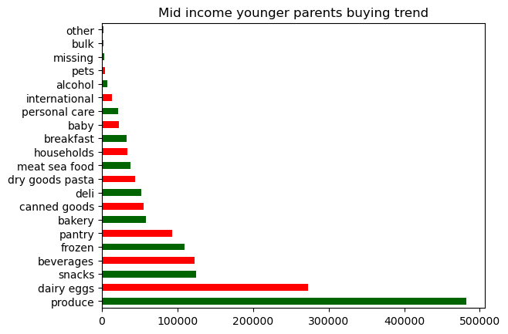
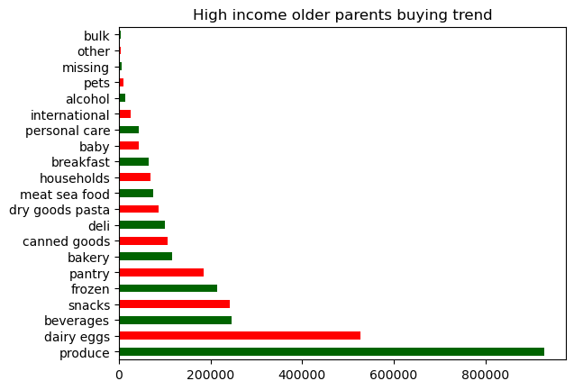
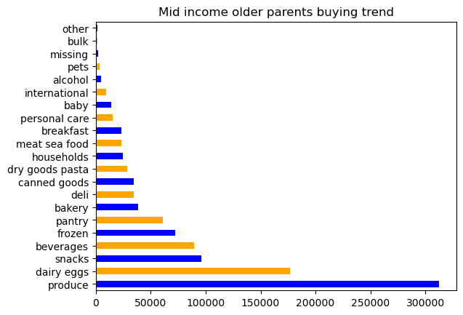
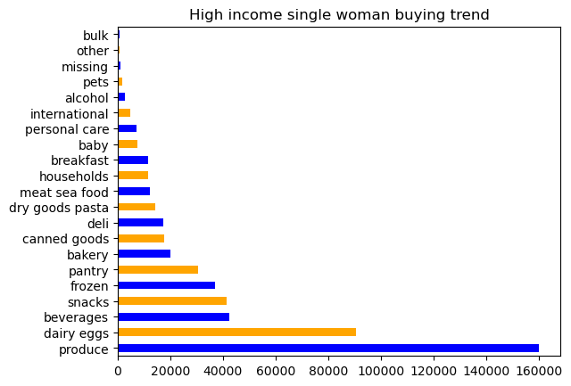
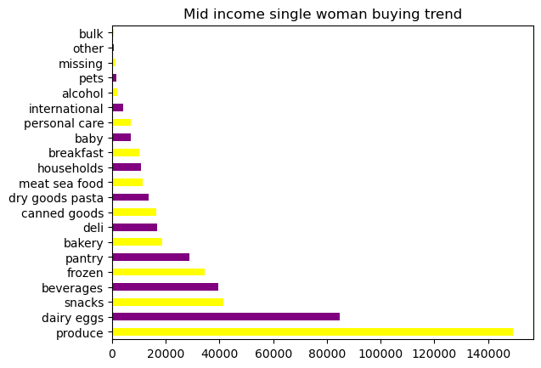

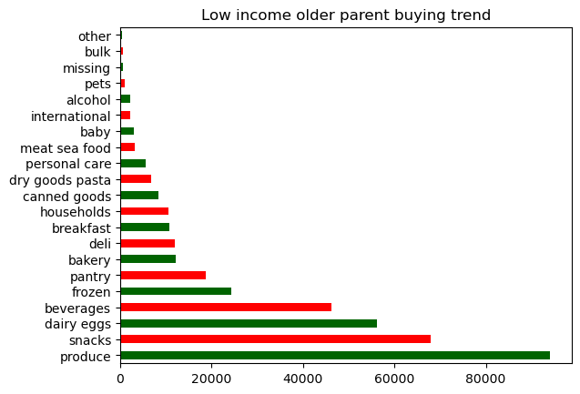
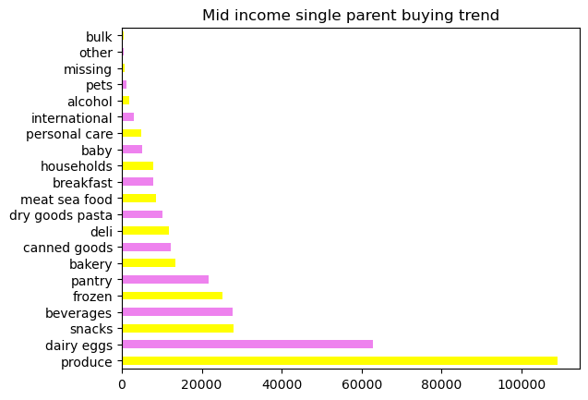
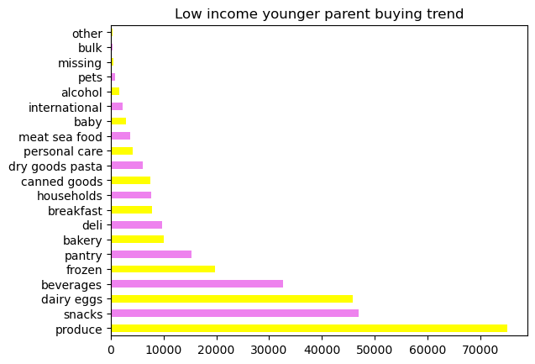
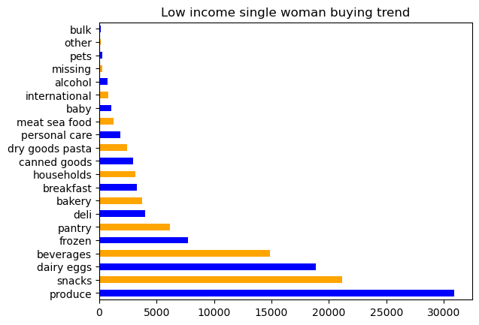
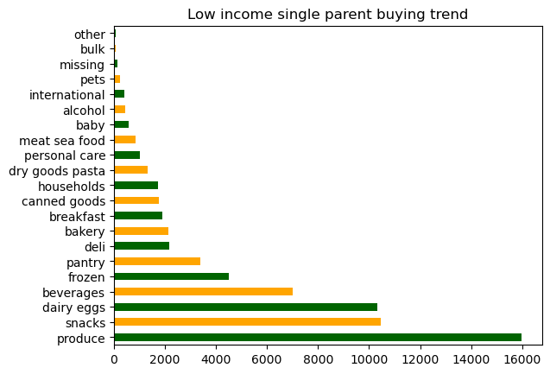

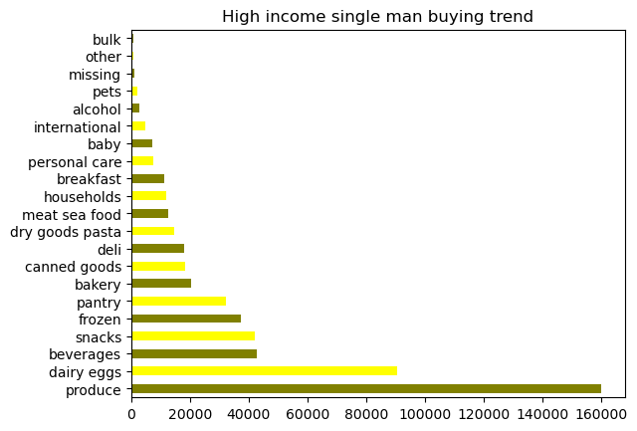
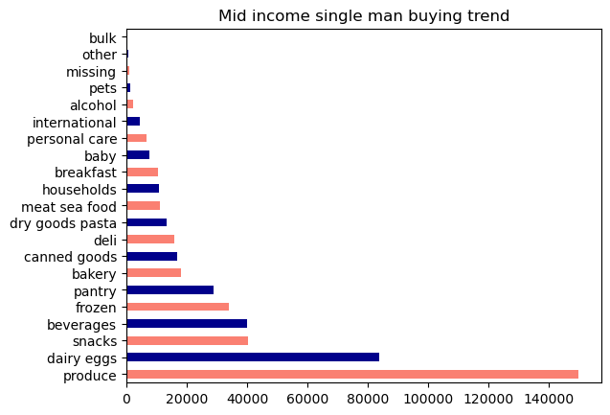
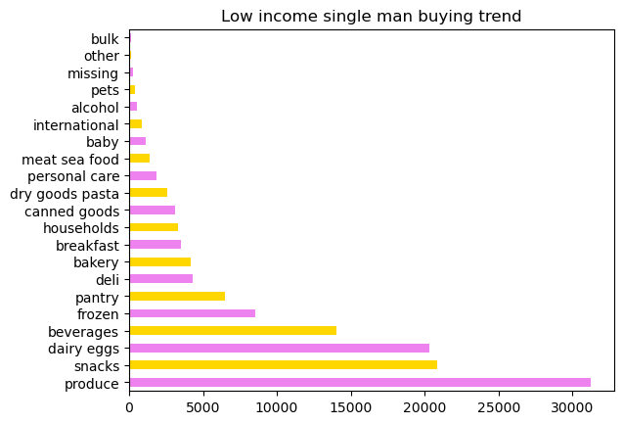
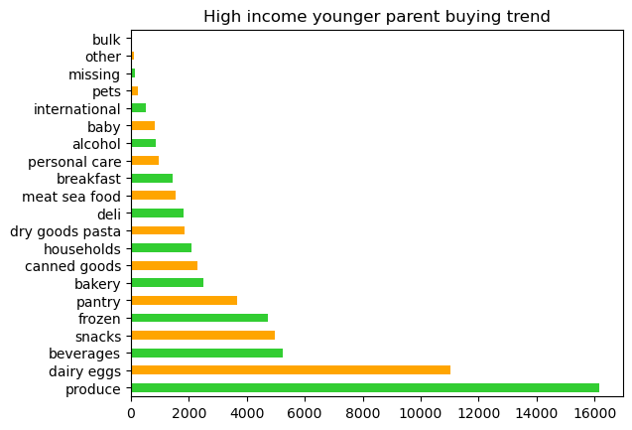
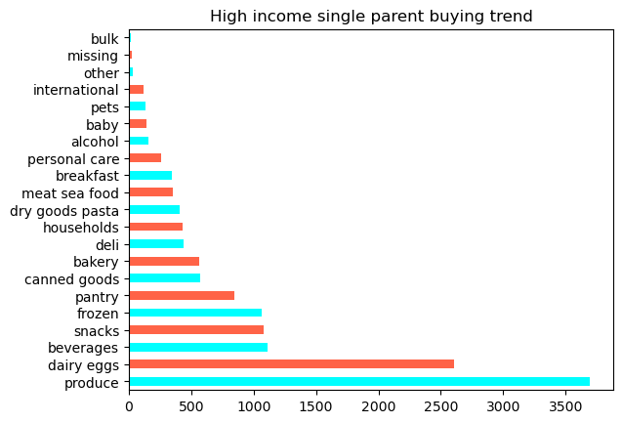

 |  | Despite the difference in both civil status and income, the buying trend stays similar throughout
 |  | all proflile groups of Instacart customer groups
 |  | The top 5 categories are: produce, eggs/dairy, beverages, snacks, frozen.
 |  | The lowest 5categories are: bulk, other, missing, pets and international.
 |  | This suggests that all groups maintain similar buying habits, so a different strategy is required for marketing purposes.

7. Recommendations
 |  | Title page

Recommendations

In this tab you should include any recommendations you would made to Instcart in terms of their marketing strategy based on the questions posed in the brief. Every key question has been covered in the Tasks of the Exercises - here you need to add an item - a visualisation or table/crosstable that is showing the answer in the data, acompanied by a comment from you. Please, list the questions below and add the answer underneath.

Question | Answer |  | Suggestions
Key Question 1
The sales team needs to know what the busiest days of the week and hours of the | The busiest days of the week are weekend days Saturdays and Sundays (18.2% of sales each day). |  | Place adds during the busiest days/times, to encourage customers to seek and try out new products.
day are (i.e., the days and times with the most orders) in order to schedule ads at | The weakest days of the week for sales are Tuesdays and Wednesdays. Most orders take place between |  | Reward orders placed during the least busy days/times with points towards discounts.
times when there are fewer orders. | 9:30am to 5:00 pm. Prices paid for orders, however, seem to stay at an average stable throughout the day, rising |  | Offer speedier delivery options during least busier times.
 | during the night hours 0:00am to 5:am, probably from shopping of single adults.

Key Question 2 | Answer |  | Suggestions
They also want to know whether there are particular times of the day when people | The data suggest that most orders happen during sociable working hours, across all groups. |  | Target single adults with reward/discounts for high range products purchased during non-sociable hours
spend the most money, as this might inform the type of products they advertise at | These sociable working hours are between 9:30am to 8:30 pm, |  | Introduce buy2-get 1 free for most bought products during times are most orders are made.
these times. | with the busiest times between 9:30am to 5:00pm. |  | In the add, develop a 'have you forgotten' and 'would you be interested' sections in the checkout option,
 | The spike - in both orders and price - during unsociable hours can be explained by single adult customers |  | before customers pay for their orders. This would be based on their past-orders information.
 | which are not 'tied' by normal family activity hours.

Key Question 3 | Answer |  | Suggestions
Instacart has a lot of products with different price tags. Marketing and sales want to | More than 67% of all products fall into the mid range category, with 31% being considered low-range. |  | Create suscription email list with offers, targeting customers based on average type of products ordered.
use simpler price range groupings to help direct their efforts. | Only 1% of all products are considered 'expensive' or high range. This is also consistent with the histogram
 | of prices from products. The max price is 25, so low-range is below 5, mid-range is between 5-15, and |  | Offer option to join whatsapp group which can suggest new brands of preferred products. The group would
 | high-range between 15-25. |  | offer information on preferred categories or brands, new or added products. Links within this group could take
 | It is interesting to note that while in most categories the majority of orders |  | customers straight to the app, perhaps offering a discounted price for first purchase or build point towards other
 | consist of mid-range products, in the snacks category the opposite occurs. |  | rewards.
 | Customers buy more of the cheaper options, and only around 30% of the mid-range
 | ones. |  | It is worth investigating the points mentioned regarding the 'snack' and 'meat/seafood' categories.
 | All the high-range orders are within the meat/seafood section. |  | Regarding the former, why is that here in particular customers are going for the cheapest options.
 | Around 58% of orders are from high-range products in this category. |  | Regarding the latter, its orders only account for 2.2% of orders. It is worth checking whether they buy
 |  |  | meat/seafood for a BBQ or a party, but it seems it is not something bought on a constant basis.

Key Question 4 | Answer |  | Suggestions
Are there certain types of products that are more popular than others? The marketing | The departments 'produce', dairy & eggs', 'snacks', 'beverages', and 'frozen' account for 70% of all Instacarts's |  | Prioritise the most popular categories in both app and website. They should appear first,
and sales teams want to know which departments have the highest frequency of | orders. The departments 'international, 'alcohol', 'pets', 'other' and 'bulk' account for less than 2% of all orders. |  | before other categories, so buyers should see them and be encouraged to order then and
product orders. | The most ordered categories are consistent with regular household needs, while 'international', 'alcohol' and 'other' |  | there.
 | might be order by particular segments of customers, such as alcohol for adults or 'other' for ethnic food.

Key Question 5 | Answer |  | Suggestions
What’s the distribution among users in regards to their brand loyalty (i.e., how | Over 50% of instacart's customers are regular customers, which means their order frequency is |  | For loyal customers, consider offering them promotions such as 'buy this before XX
often do they return to Instacart)? | every 10 to 20 days. On the other hand, loyal customers account for 33% of all customers, and their order |  | to get a special price or discounts (such as buy 1 get 1 free or similar).
 | frequency is 10 days or less from the previous order.
 | This trend is consistent throughout all profile groups. |  | For regular customers, offer a digital club card, in which they can gather points per orders.
 |  |  | These points could be converted into 'real money' for a discount in a future purchase.

 |  |  | Offer digital club card to new customers also, with option for email list or whatsapp group.

Key Question 6 | Answer |  | Suggestions
Are there differences in ordering habits based on a customer’s loyalty status? | The data indicates that 98% of all customers are low spenders. |  | Low spender/regular customers appear to be the only ones buying high-range products.
Are there differences in ordering habits based on a customer’s region? | However, over 67% of all orders are from mid range products, |  | They should be targeted for those categories, to enourage them to buy more.
 | and 31% from low range products. These habits appear to be
 | consistent throughout all groups/profiles. |  | While proportionally all regions appear to have a similar return, Zones South and West
 | Accross all regions, the proportion of Higher income customers |  | should be prioritised for marketing funds, since they will return 50% more revenue (60% of
 | is around 46%. The Mid earners group comprises 43% of customers, |  | the total revenue) than the 'Midwest' and 'Northeast' zones.
 | and low earners are at 11%.
 | It seems that Instacart could expect all regions to behave in a similar way, |  | Prioritise families with older parents for marketing campaigns. They may return a similar revenue to
 | with the difference in revenue depending mainly on the size of the population. |  | all other profile groups combined.
 | Older parents seem to buy more than othen categories. This seems logical not
 | only because they are the larger population, but probably because they may |  | Place more adds during weekend, since these appear to be busier days, and more likely to have orders.
 | have more dependants. The second category would be Younger parents.
 | Single men and women appear to have similar buying habits. What is surprising
 | is that single parents appear to buy less than single adults, which is worth investigating.

Key Question 7 | Answer |  | Suggestions
Is there a connection between age and family status in terms of ordering | The ‘Older parents’ group (High at 33.5% and Mid at 11.5%, total of 45% of all customers) are the most valuable clients, |  | Get additional data into the dependants' age. Knowing about their age may give insight into
habits? | due to their financial resources. They are followed by ‘Mid earners youner parents’ at 17.2%, and then by |  | their preferred products or habits. Older parents with teenage children will prefer different products
What different classifications does the demographic information suggest? | single adults (both men and women, each at around 11.1% between high and mid earners, or 22.2% in total). |  | as compared with a couple who is looking after elderly parents (called their 'dependants'.
Age? Income? Certain types of goods? Family status? | These three groups alone comprise 84.4% of Instacart customers.
Key Question 8 | Data suggests that income may increase with age (after 40). It would be logical since, |  | Check why single parents are buying less than others. This might be because they
What differences can you find in ordering habits of different customer | individuals over 40 should be more established both financially and with families. |  | are smaller in numbers, or due to other reasons.
profiles? Consider the price of orders, the frequency of orders, the products | From an age perspective, the Instacart customers' population is equally
customers are ordering, and anything else you can think of. | divided between Older and Younger customers, with a slight decrease in Mid age customers. |  | Prioritise families with older parents for marketing campaigns. They spend more money on their orders.
 | Older parents seem to buy more than othen categories. This seems logical not only
 | because they are the larger population, but probably because they may have more
 | dependants. The second category would be Younger parents. Single men and women
 | appear to have similar buying habits. What is surprising is that single parents appear to
 | buy less than single adults, which is worth investigating.
 | Data shows that married and 'living with parents and siblings' categories have dependants,
 | while those single or divorced/widowed tend not to. While not conclusive, this may indicate
 | that not all dependants may be just children or teenagers but also may be older parents or
 | perhaps disabled individuals in care of their relatives. It is worth trying to get additional data
 | to check this further.

